Documentation


1. Format the data as a table: Use the Format as Table option to format the data as a table.
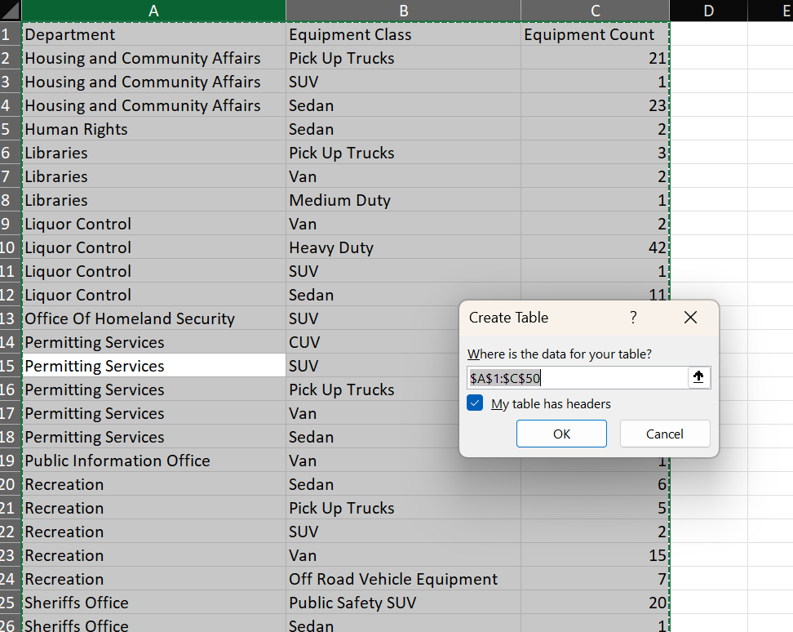
2. Use AutoSum to calculate values: Use AutoSum to find the following values for column ‘C’ and record each of the values: (SUM - AVERAGE - MIN - MAX - COUNT)
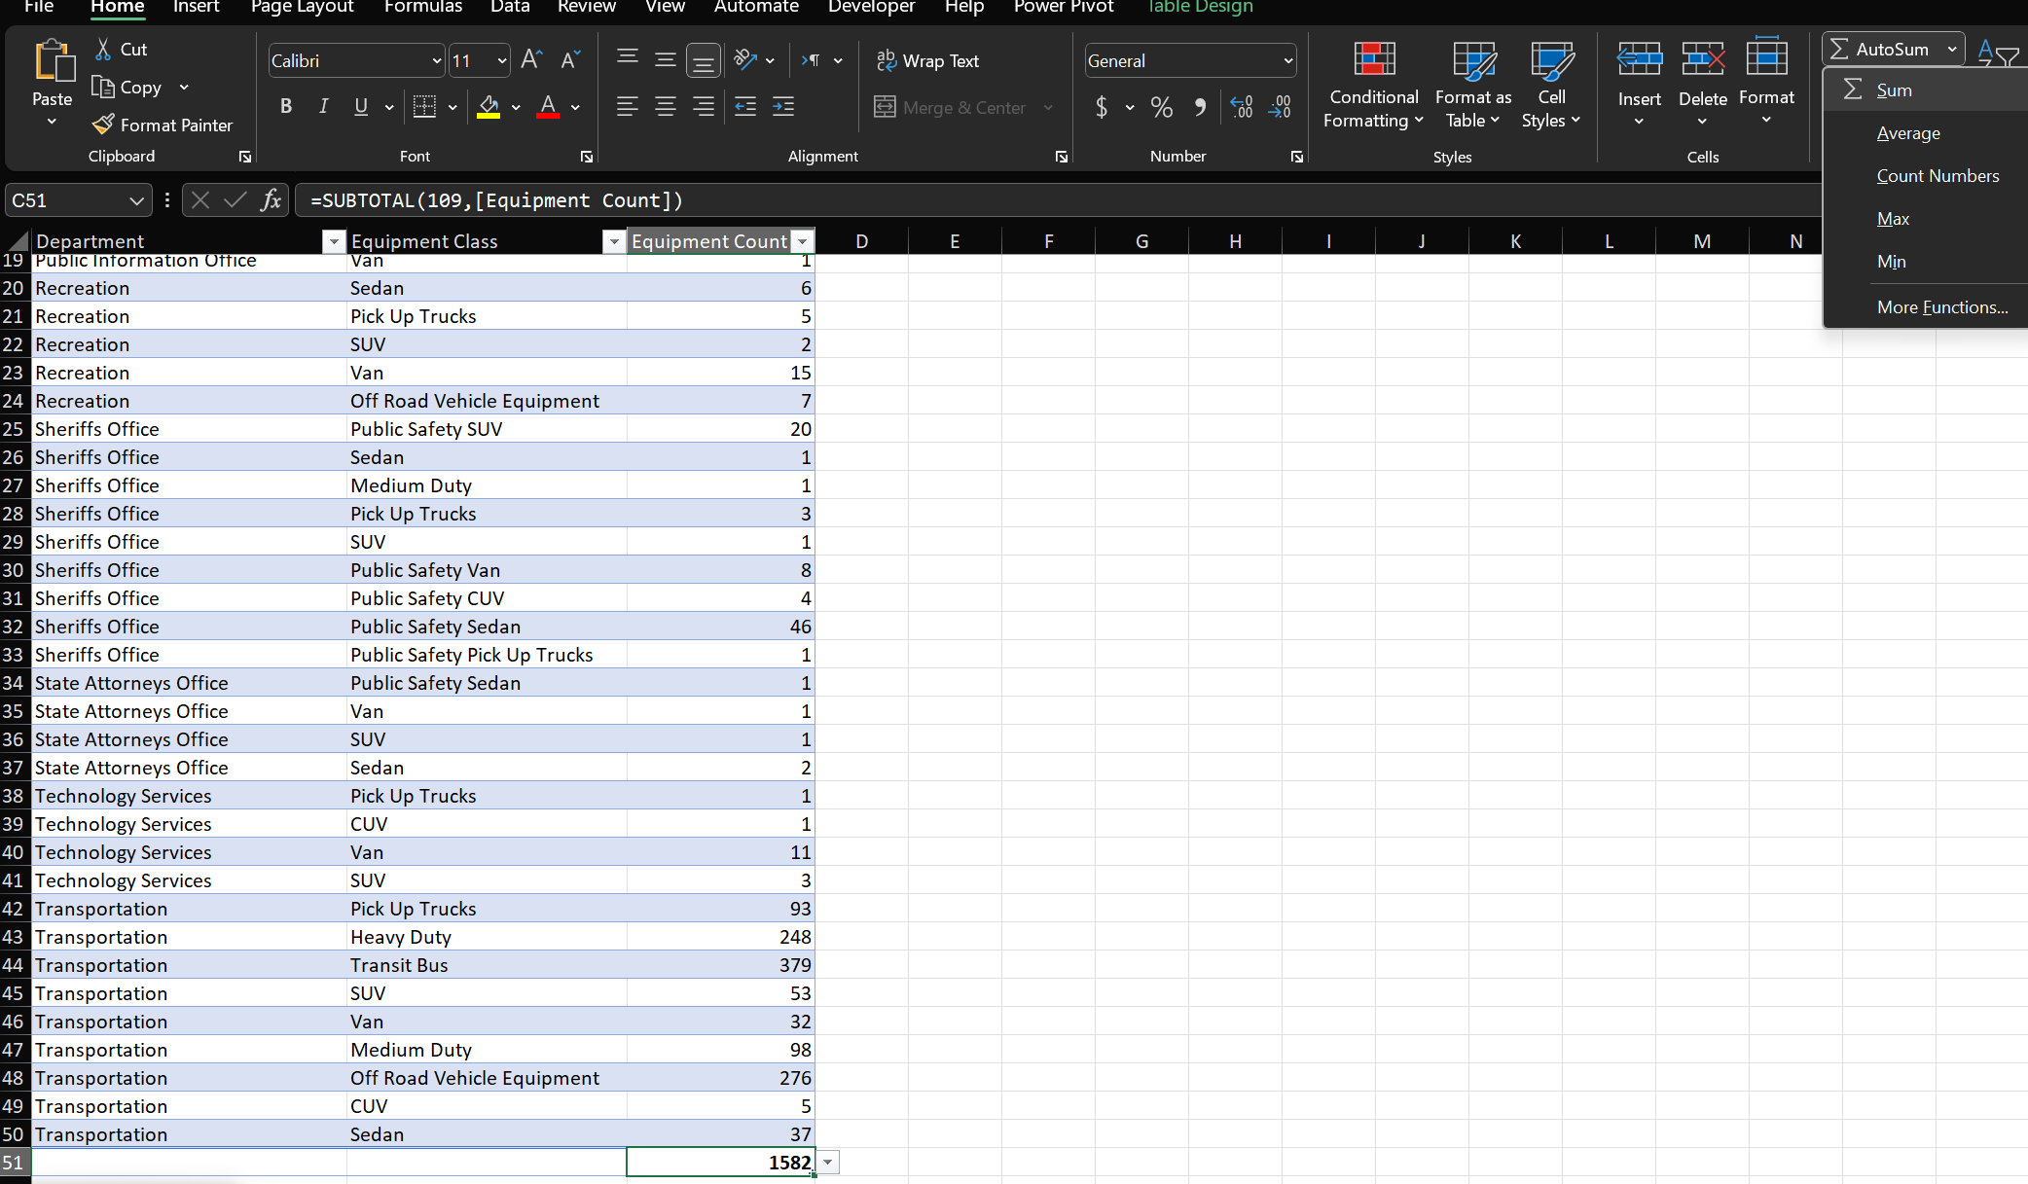 | 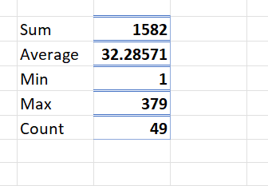

3. Create a Pivot Table: Use the PivotTable feature to create a pivot table that displays the Department field in the Rows section, and the Equipment Count in the Values section, so that the pivot table displays the sum of equipment count by department.
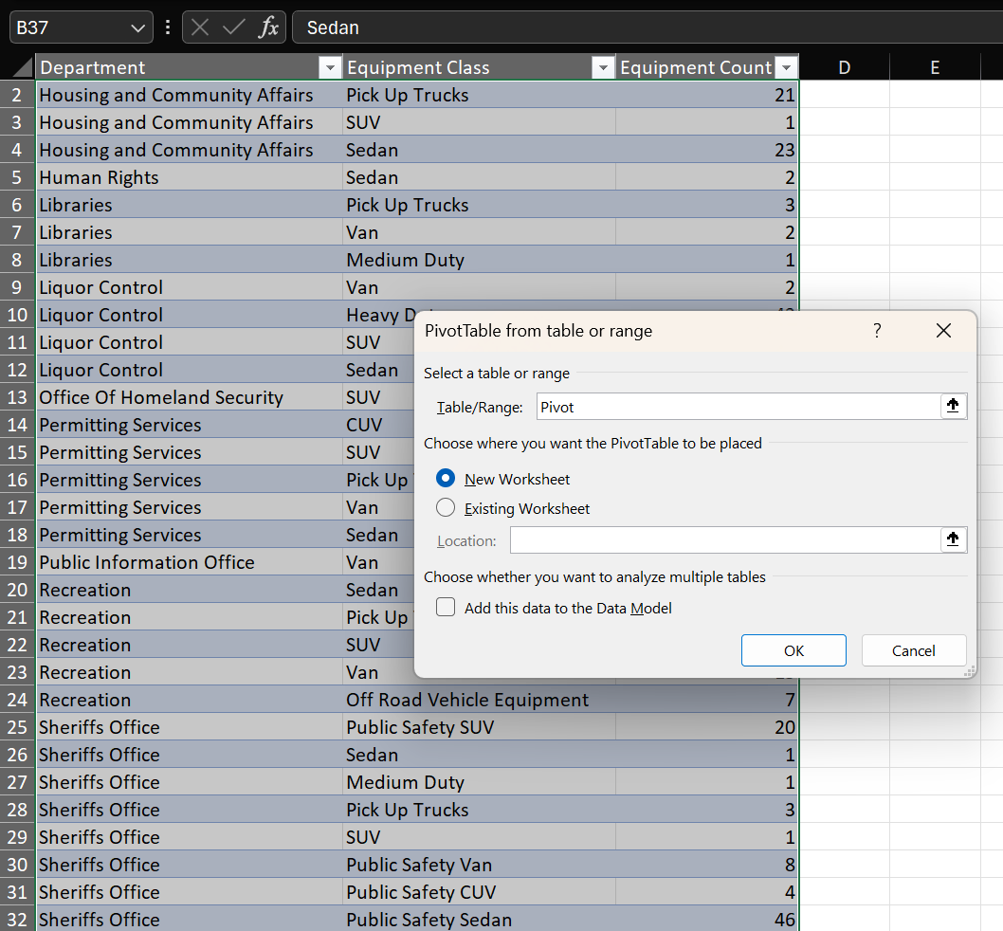
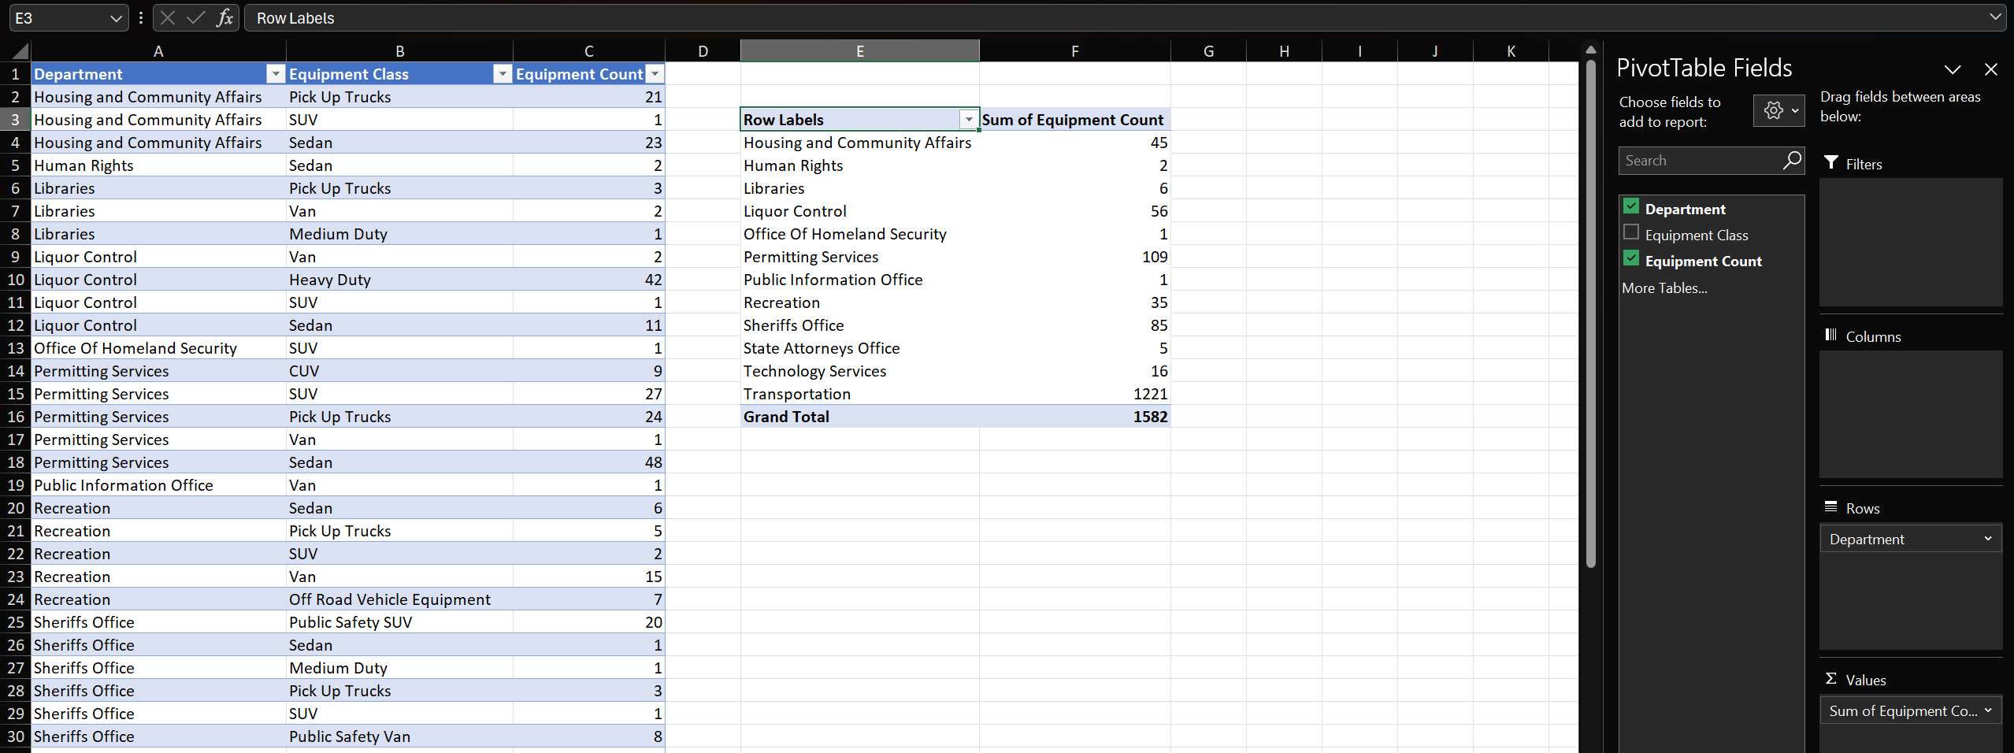

4. Sort the pivot table data: Use the Sort By Value setting on the pivot table to sort it in descending order by the sum of equipment count.

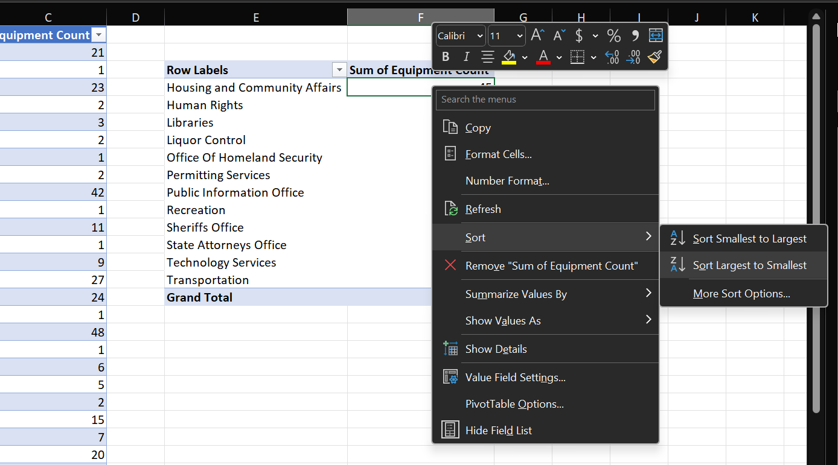
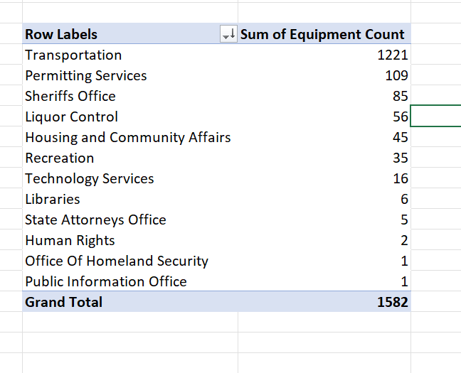

5.Analyze data in the pivot table: Use the PivotTable Fields pane to manipulate and analyze data in the two copied pivot table as follows:

In pivot table 2 add the Equipment Class field below the Department field so that the different vehicle types appear under each department with their respective counts.
Collapse all fields except the top one - Transportation
In pivot table 3 add the Equipment Class field above the Department field so that the different vehicle types appear first, with the different departments listed underneath each vehicle type with their respective counts.
Collapse all fields except the top one - CUV

